Decision tree
Determination of resting energy expenditure and estimated energy requirement by predictive equations in middle-aged adults | 0
The present calculator has been developed by the EFFECTS262 “Evaluación Funcional y Fisiología del Ejercicio” research group. Department of Physiology Faculty of Medicine, University of Granada | 1

April 9th, 2018

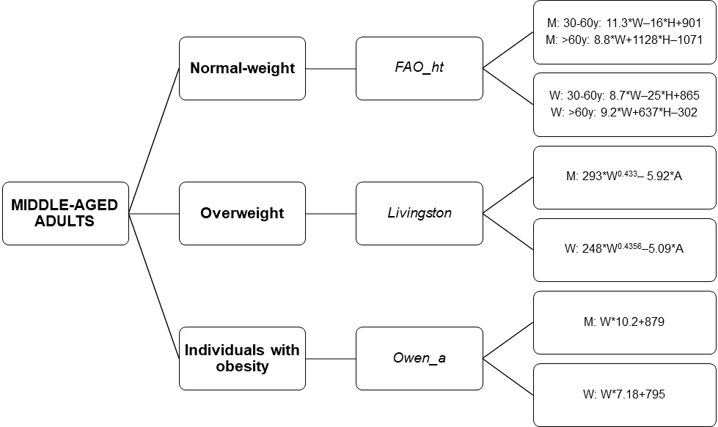

Figure 3. Decision tree to select a resting energy expenditure predictive equation by on weight status. “_a” refers to predictive equations which required only anthropometric parameters to calculate REE, and “_ht” refers to predictive equations which are proposed by the same author and include height. Abbreviations: M: Men; F: Women; W: Weight; H: Height; A: Age; y: years.

